Linear regression
correlation coefficient
 | CORR | Snowflake Documentation
 | tính tương quan
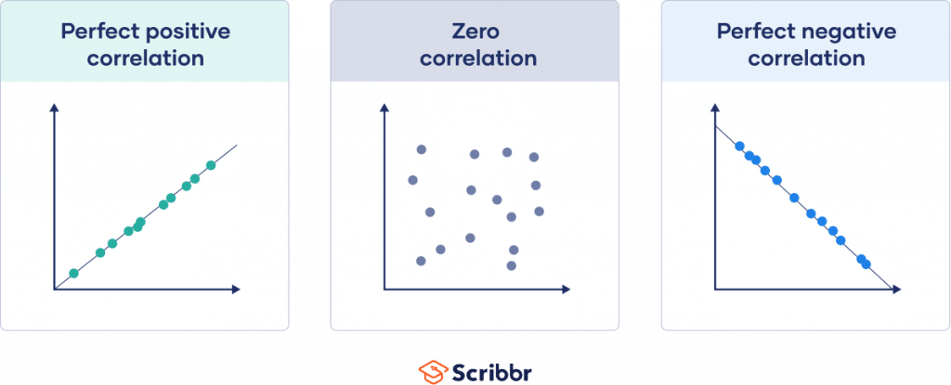
 |  | It tells you whether two variables move together or opposite.
 |  | The value is always between -1 and +1.

 |  | Height and weight → usually have a positive correlation (taller people often weigh more).
 |  | Hours watching TV and exam scores → might have a negative correlation (more TV, lower scores).
 |  | Shoe size and intelligence → likely no correlation (the number is close to 0).

intercept, slope
 | https://docs.snowflake.com/en/sql-reference/functions/regr_intercept
 | https://docs.snowflake.com/en/sql-reference/functions/regr_slope

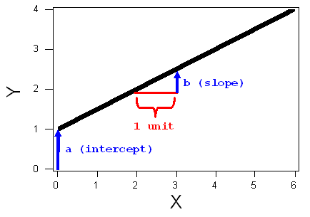

standard deviation
 | https://docs.snowflake.com/sql-reference/functions/stddev

 | If the standard deviation is small → most numbers are close to the average.
 | If the standard deviation is large → the numbers are more spread out from the average.

 | Imagine two classrooms with the same average test score of 70:
 | Class A: Everyone scored between 68 and 72 → small standard deviation (scores are very consistent).
 | Class B: Some scored 40, some 100, some 70 → large standard deviation (scores are all over the place).

GENERATOR & SEQ1
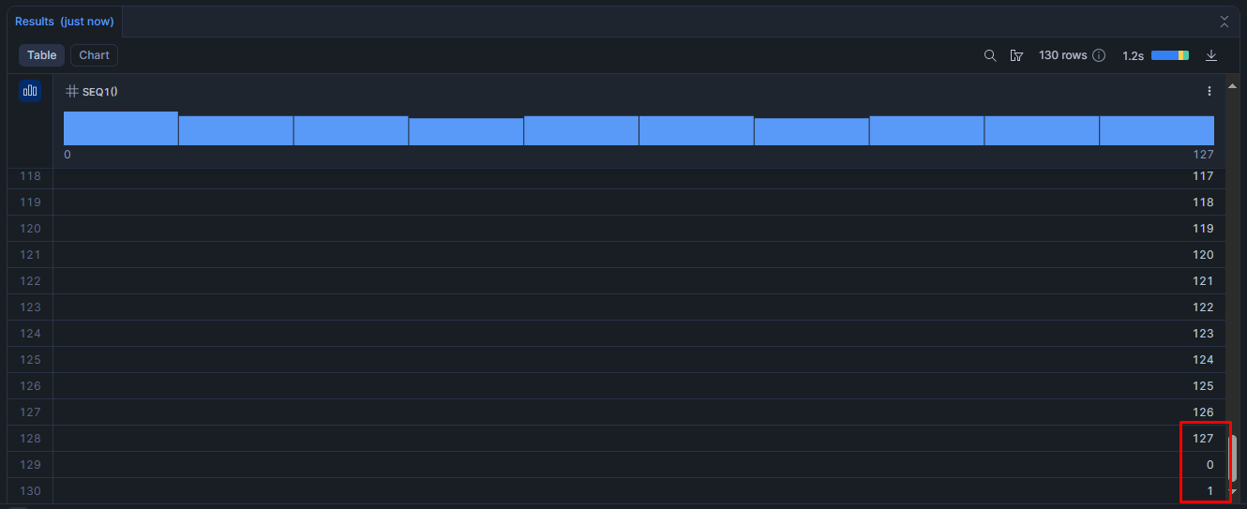
GENERATOR
 | https://docs.snowflake.com/en/sql-reference/functions/generator

 | Creates rows of data based either on a specified number of rows, a specified generation period (in seconds), or both.
 | 0 columns but possibly many rows

SEQ1 / SEQ2 / SEQ4 / SEQ8
 | https://docs.snowflake.com/en/sql-reference/functions/seq1

 | They generate a sequence of increasing numbers (like 0, 1, 2, 3, …).
 | The difference between them is the size of the integer they use:
 | SEQ1 → 1‑byte integer | -128 to 127
 | SEQ2 → 2‑byte integer | –32,768 to 32,767
 | SEQ4 → 4‑byte integer | –2,147,483,648 to 2,147,483,647
 | SEQ8 → 8‑byte integer | –9,223,372,036,854,775,808 to 9,223,372,036,854,775,807

 | Wrap-around: When the sequence reaches the largest number that can fit in that integer size, it wraps around back to the start.

